THE NORTHFACE PO#20267844
 | THE NORTH FACE T-SHIRTS SEASON 2025/6
1 | SYTLE NAME:Men's Easy T-Shirt
 | COLOUR | SIZES |  |  |  |  |  |  | ARTICLE NO | RETAIL PRICE | MATERIAL
 | TNF BLACK | XSMALL | SMALL | MEDIUM | LARGE | XLARGE | XXLARGE | TOTAL | NF0A8A6C | € 35.00 | %100 COTTON Recycled material This product is made with recycled materials, which helps to reduce landfill waste and minimise its impact on nature.The Easy T-Shirt, made from reliably soft cotton, is your go-to for pretty much any kind of easy-going activity.
 |  |  | 190 | 380 | 380 | 190 | 190 | 1330

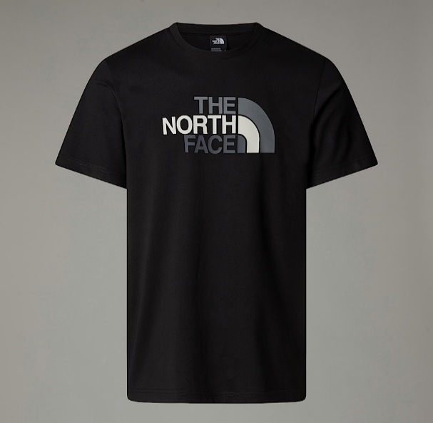
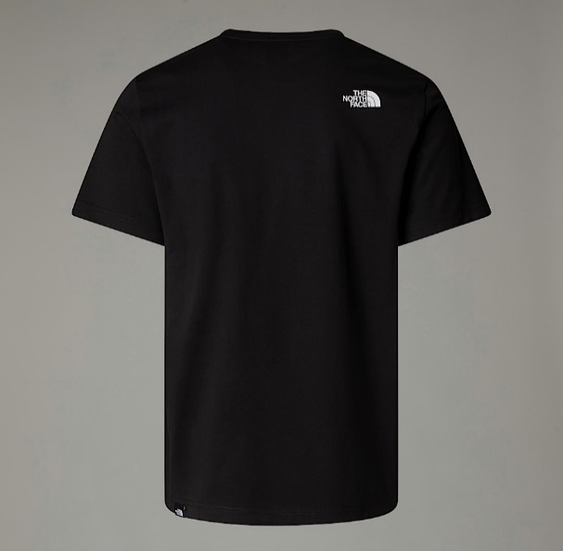

2 | SYTLE NAME:Men's Easy T-Shirt
 | COLOUR | SIZES |  |  |  |  |  |  | ARTICLE NO | RETAIL PRICE | MATERIAL
 | TNF WHITE | XSMALL | SMALL | MEDIUM | LARGE | XLARGE | XXLARGE | TOTAL | NF0A8A6C | € 35.00 | %100 COTTON Recycled material This product is made with recycled materials, which helps to reduce landfill waste and minimise its impact on nature.The Easy T-Shirt, made from reliably soft cotton, is your go-to for pretty much any kind of easy-going activity.
 |  |  | 180 | 360 | 360 | 180 | 180 | 1260

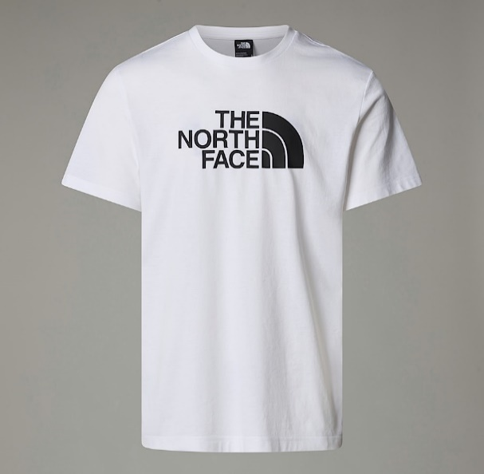
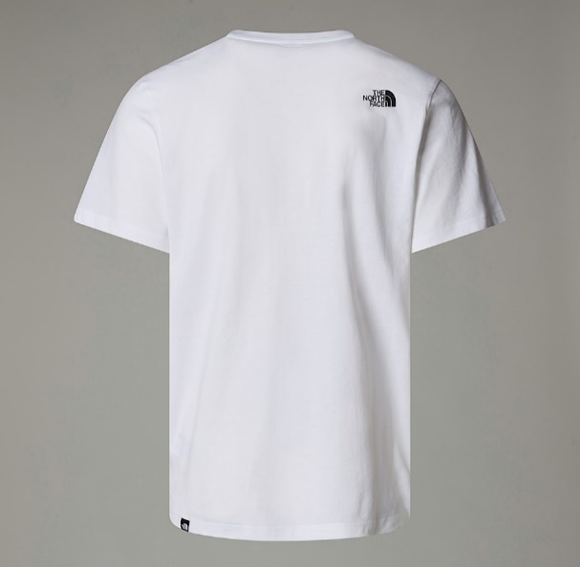

3 | SYTLE NAME:Men’s Zumu T-Shirt
 | COLOUR | SIZES |  |  |  |  |  |  | ARTICLE NO | RETAIL PRICE | MATERIAL
 | TNF WHITE | XSMALL | SMALL | MEDIUM | LARGE | XLARGE | XXLARGE | TOTAL | NF0A87DD | € 40.00 | %100 COTTON Our cotton Zumu T-Shirt will go with anything, and we've given it a bit of a twist with a branded collar. On the back, The North Face® logo adds the finishing touch.
 |  |  | 190 | 380 | 380 | 190 | 190 | 1330

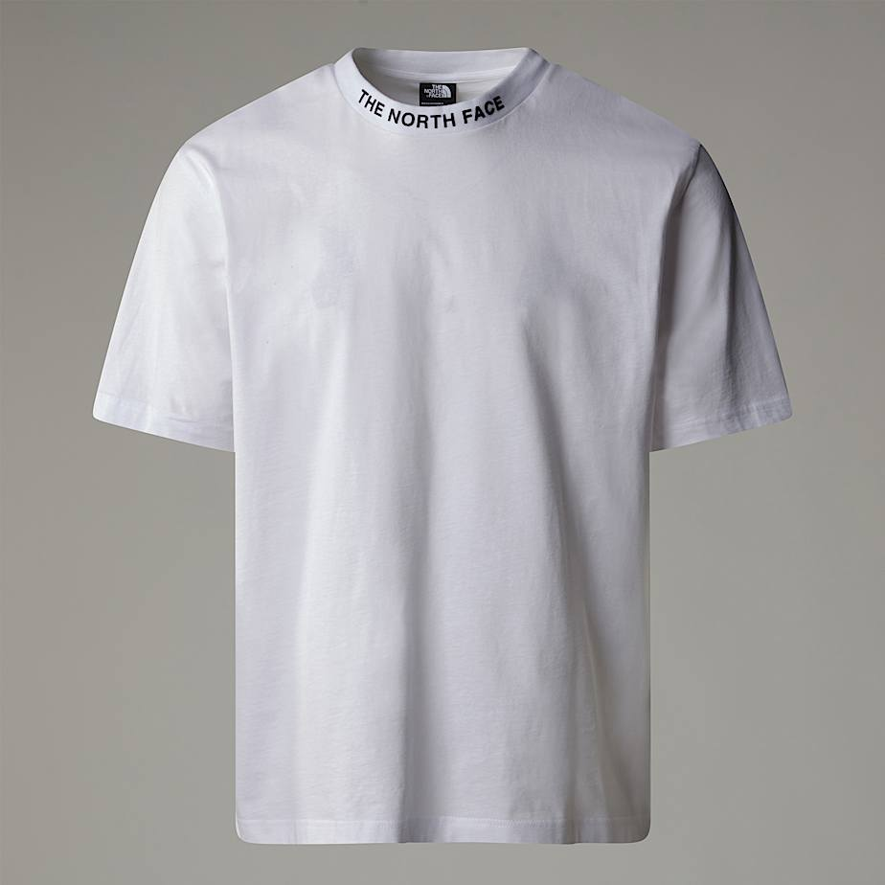
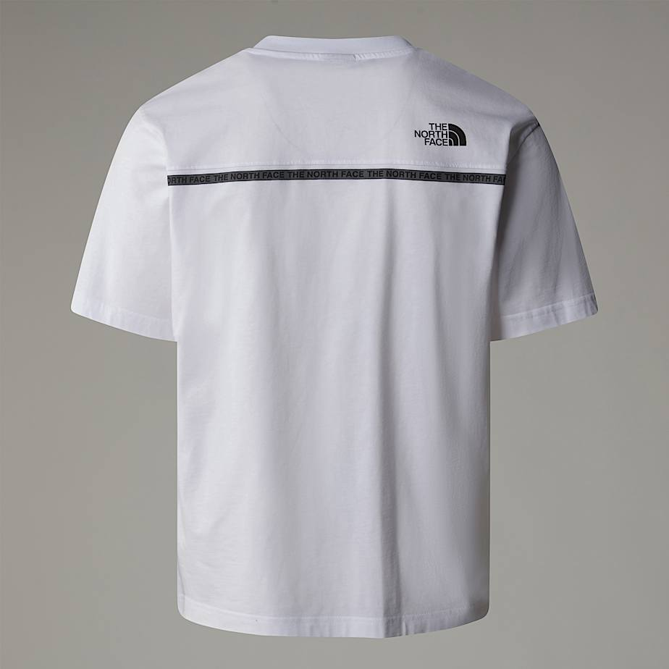

4 | SYTLE NAME:Men’s Zumu T-Shirt
 | COLOUR | SIZES |  |  |  |  |  |  | ARTICLE NO | RETAIL PRICE | MATERIAL
 | TNF BLACK | XSMALL | SMALL | MEDIUM | LARGE | XLARGE | XXLARGE | TOTAL | NF0A87DD | € 40.00 | %100 COTTON Our cotton Zumu T-Shirt will go with anything, and we've given it a bit of a twist with a branded collar. On the back, The North Face® logo adds the finishing touch.
 |  |  | 180 | 360 | 360 | 180 | 180 | 1260

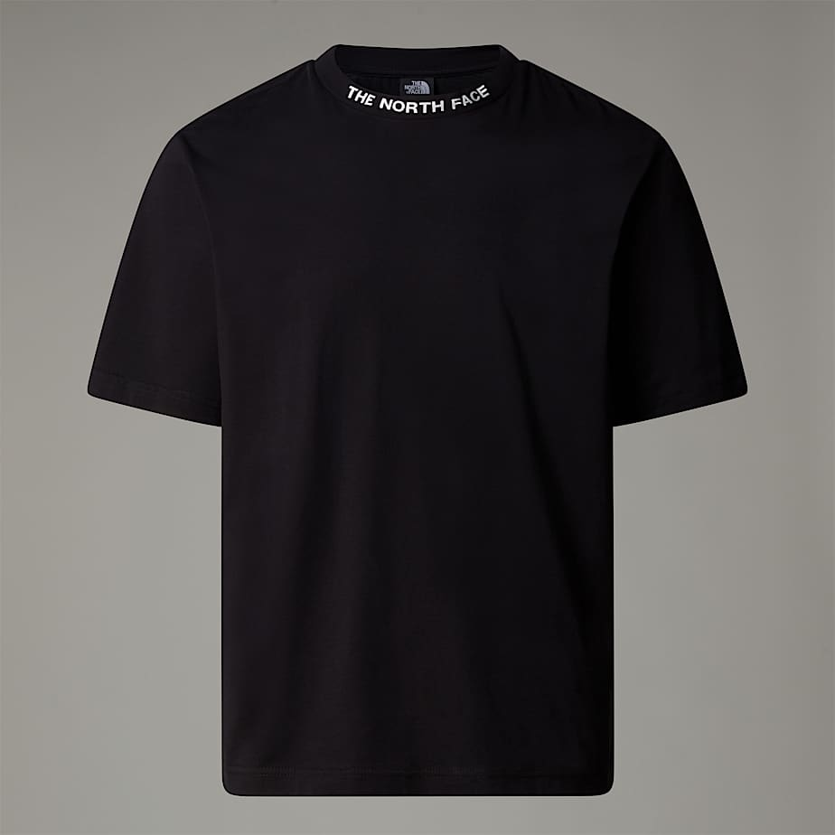
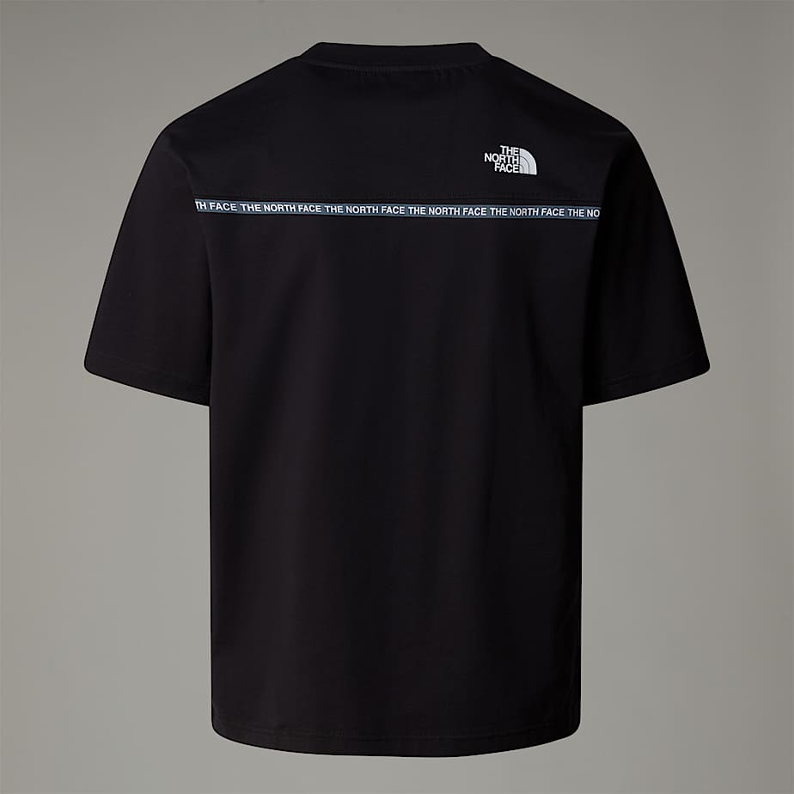

5 | SYTLE NAME:Men's Vertical T-Shirt
 | COLOUR | SIZES |  |  |  |  |  |  | ARTICLE NO | RETAIL PRICE | MATERIAL
 | TNF BLACK | XSMALL | SMALL | MEDIUM | LARGE | XLARGE | XXLARGE | TOTAL | NF0A89FP | € 40.00 | %100 COTTON Explore new horizons in the comfort of this ultra-soft t-shirt. With short sleeves and a large vertical graphic on the back, this is a reliable layer you'll reach for again and again.
 |  |  | 190 | 380 | 380 | 190 | 190 | 1330

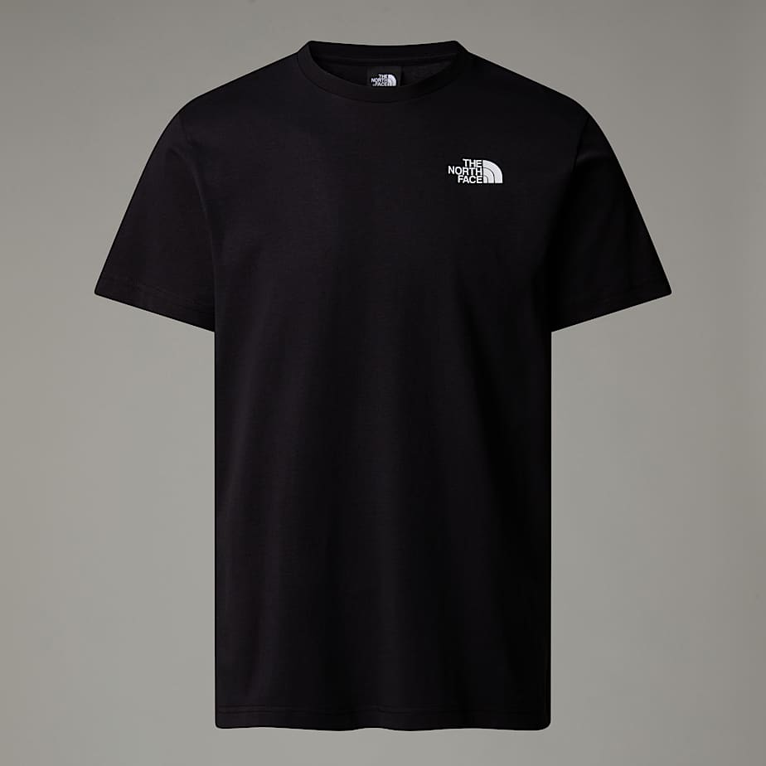
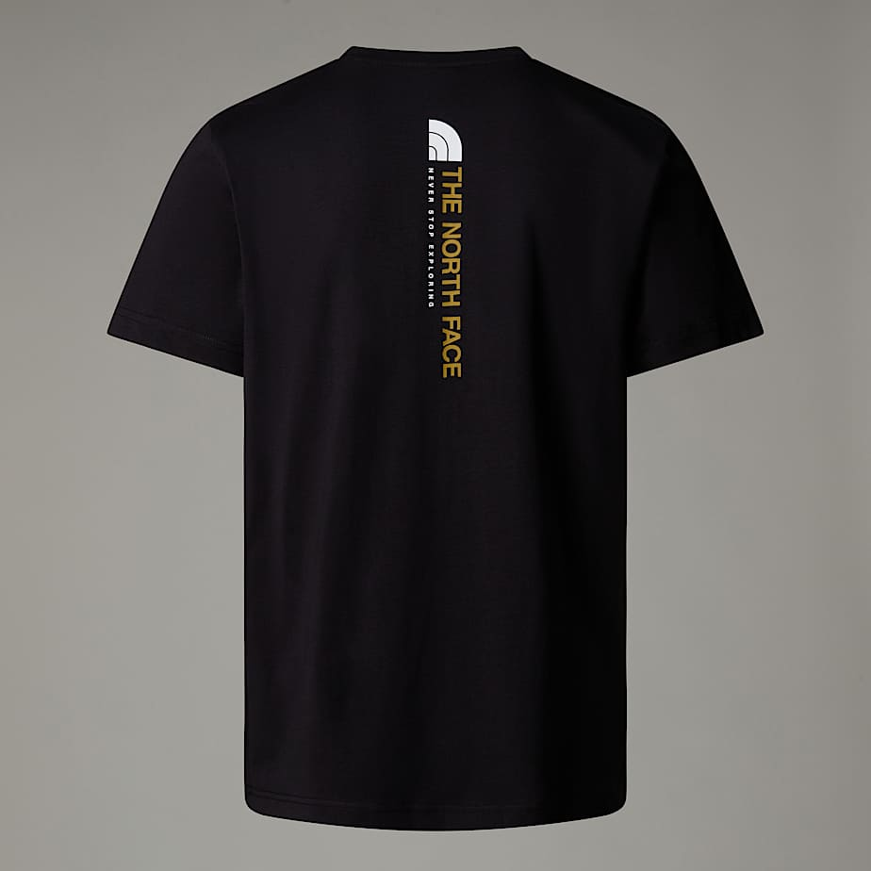

6 | SYTLE NAME:Men's Vertical T-Shirt
 | COLOUR | SIZES |  |  |  |  |  |  | ARTICLE NO | RETAIL PRICE | MATERIAL
 | TNF WHITE | XSMALL | SMALL | MEDIUM | LARGE | XLARGE | XXLARGE | TOTAL | NF0A89FP | € 40.00 | %100 COTTON Explore new horizons in the comfort of this ultra-soft t-shirt. With short sleeves and a large vertical graphic on the back, this is a reliable layer you'll reach for again and again.
 |  |  | 180 | 360 | 360 | 180 | 180 | 1260

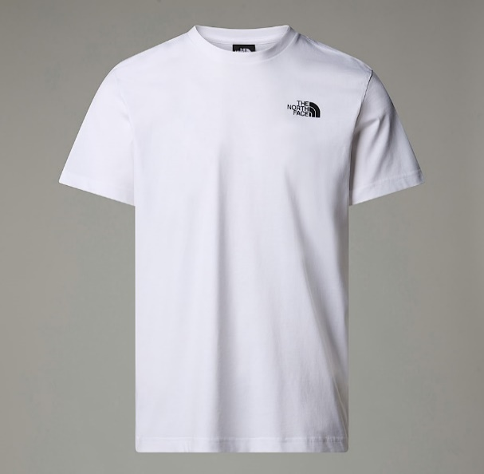
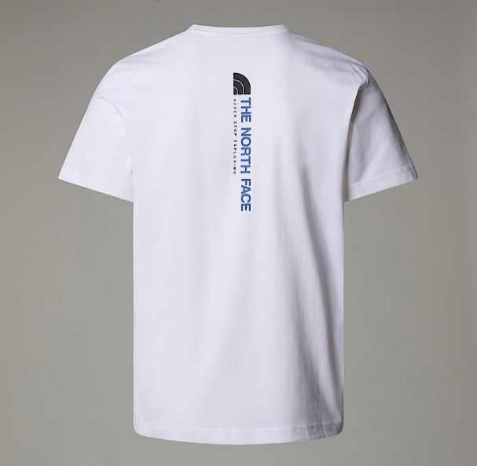

7 | SYTLE NAME:Men’s Redbox T-Shirt
 | COLOUR | SIZES |  |  |  |  |  |  | ARTICLE NO | RETAIL PRICE | MATERIAL
 | TNF WHITE | XSMALL | SMALL | MEDIUM | LARGE | XLARGE | XXLARGE | TOTAL | NF0A87NP | € 35.00 | Standard length, crew neck and 100% cotton, the Redbox T-Shirt is the definition of a must-have essential staple.
 |  |  | 190 | 380 | 380 | 190 | 190 | 1330

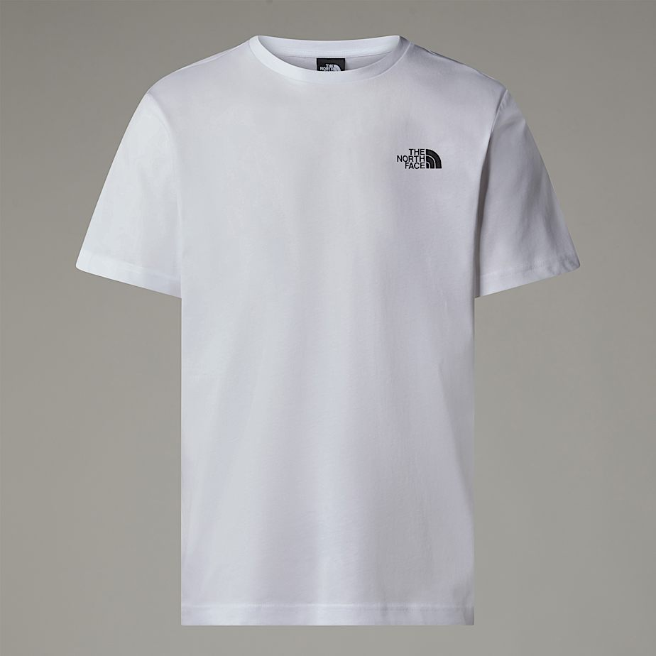
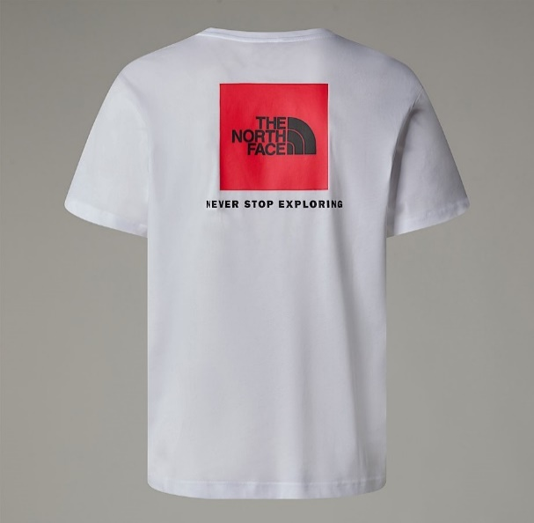

8 | SYTLE NAME:Men’s Redbox T-Shirt
 | COLOUR | SIZES |  |  |  |  |  |  | ARTICLE NO | RETAIL PRICE | MATERIAL
 | TNF BLACK | XSMALL | SMALL | MEDIUM | LARGE | XLARGE | XXLARGE | TOTAL | NF0A87NP | € 35.00 | Standard length, crew neck and 100% cotton, the Redbox T-Shirt is the definition of a must-have essential staple.
 |  |  | 180 | 360 | 360 | 180 | 180 | 1260

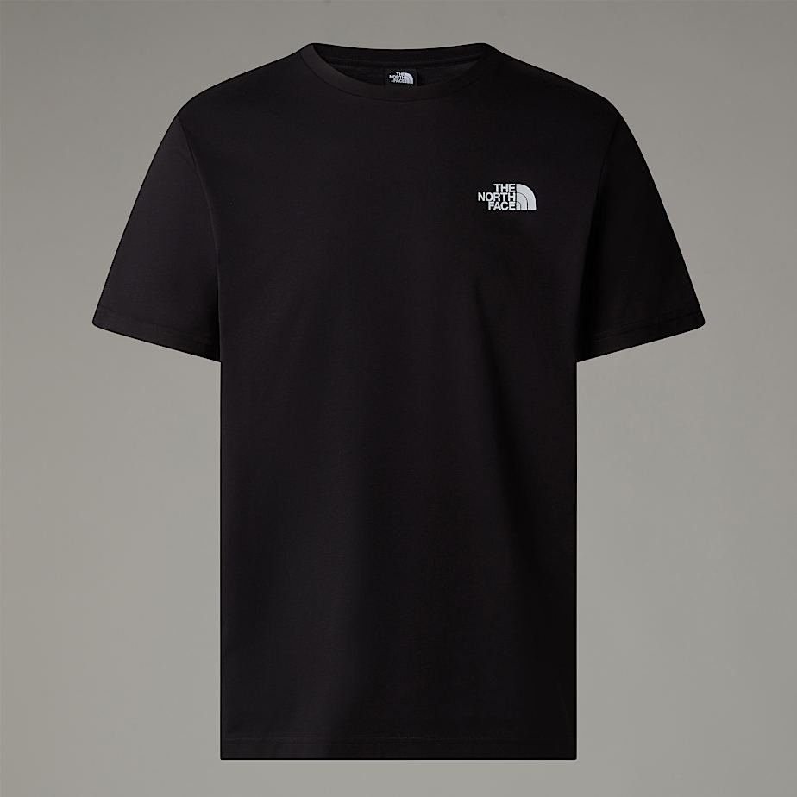
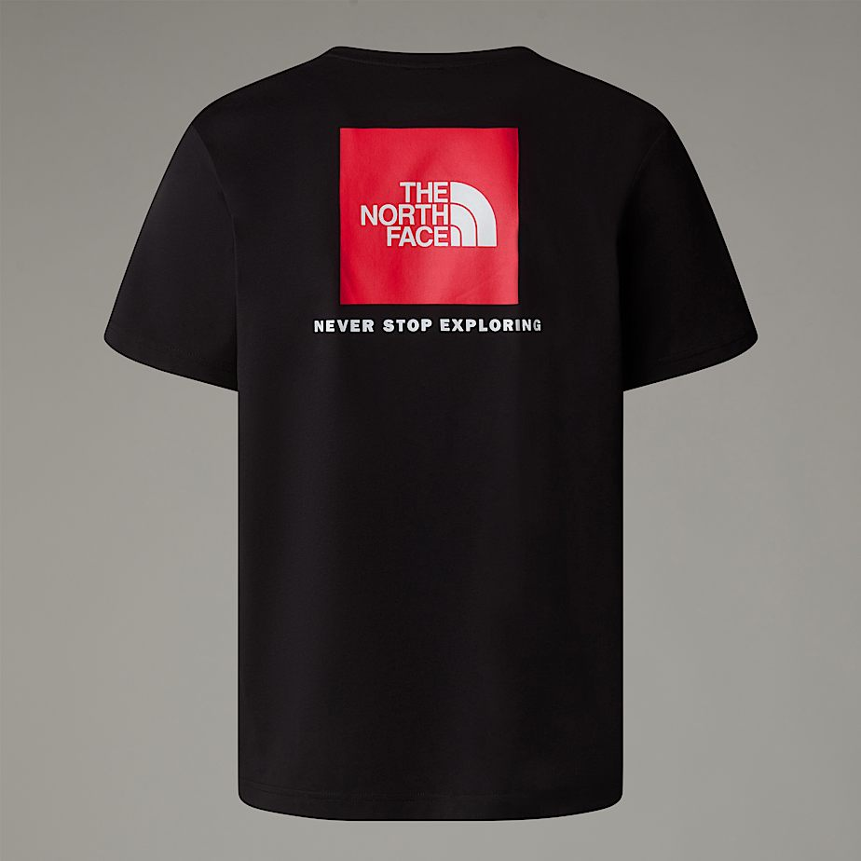

9 | SYTLE NAME:Men’s Redbox T-Shirt
 | COLOUR | SIZES |  |  |  |  |  |  | ARTICLE NO | RETAIL PRICE | MATERIAL
 | GRAVEL | XSMALL | SMALL | MEDIUM | LARGE | XLARGE | XXLARGE | TOTAL | NF0A87NP | € 35.00 | Standard length, crew neck and 100% cotton, the Redbox T-Shirt is the definition of a must-have essential staple.
 |  |  | 190 | 380 | 380 | 190 | 190 | 1330

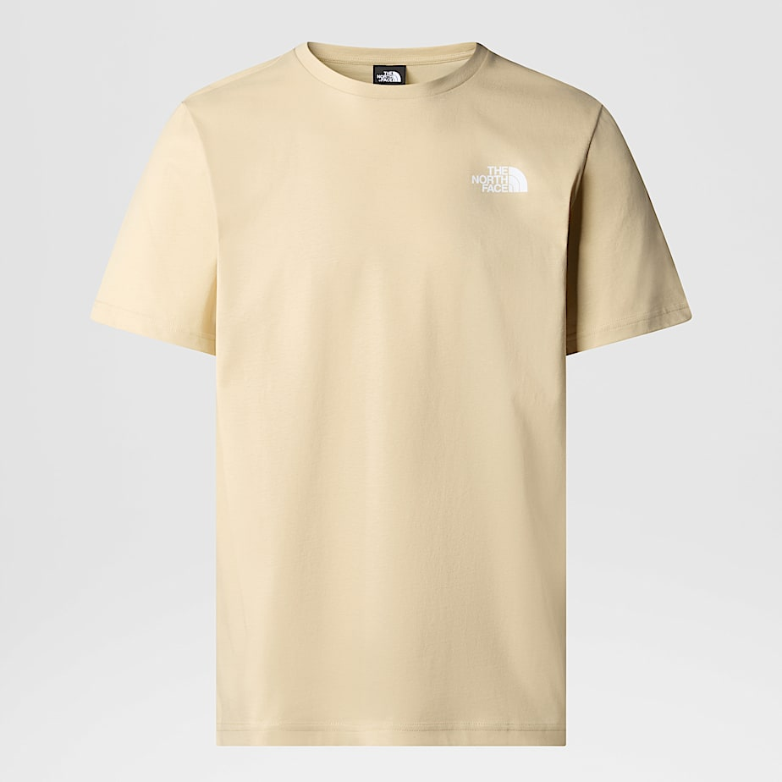
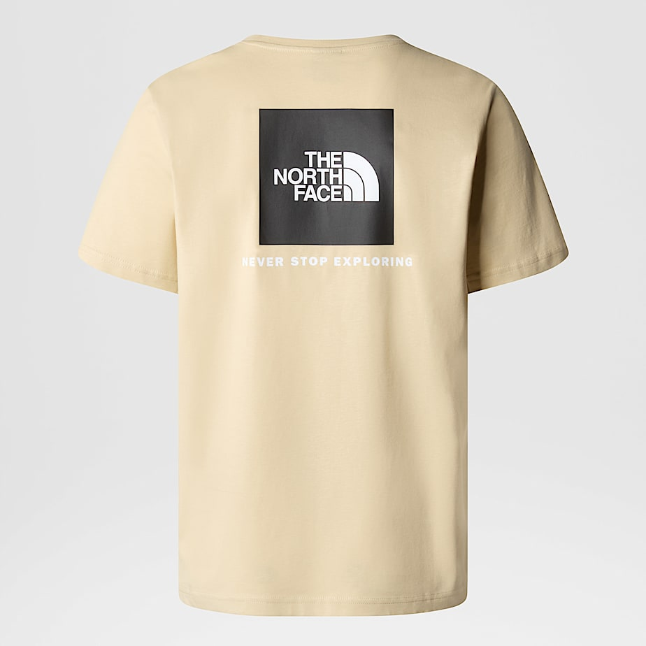

10 | SYTLE NAME:Men’s Redbox T-Shirt
 | COLOUR | SIZES |  |  |  |  |  |  | ARTICLE NO | RETAIL PRICE | MATERIAL
 | Smoked Pearl Hero Blue | XSMALL | SMALL | MEDIUM | LARGE | XLARGE | XXLARGE | TOTAL | NF0A87NP | € 35.00 | Standard length, crew neck and 100% cotton, the Redbox T-Shirt is the definition of a must-have essential staple.
 |  |  | 180 | 360 | 360 | 180 | 180 | 1260

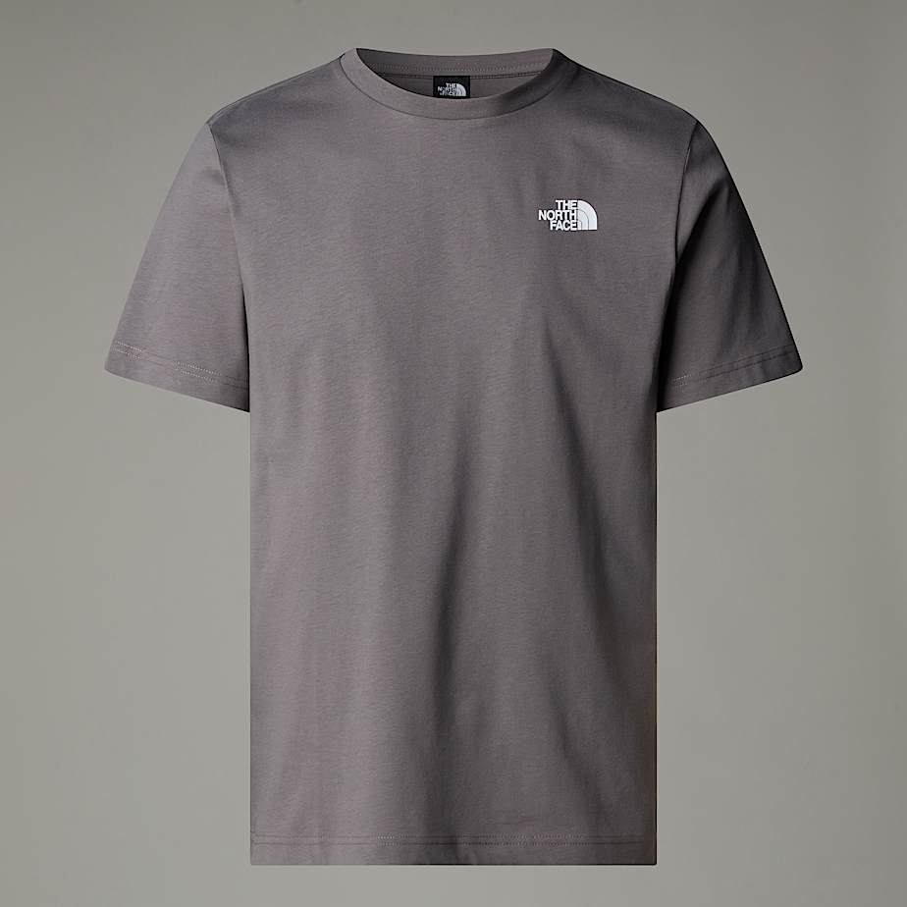
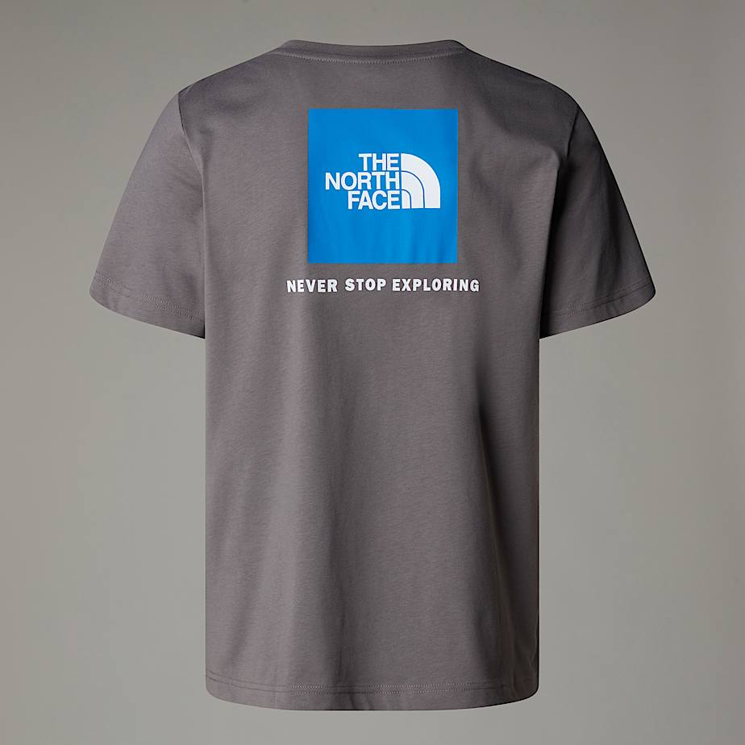

11 | SYTLE NAME:Men's UK Redbox T-Shirt
 | COLOUR | SIZES |  |  |  |  |  |  | ARTICLE NO | RETAIL PRICE | MATERIAL
 | Anthracite Grey - Beetroot | XSMALL | SMALL | MEDIUM | LARGE | XLARGE | XXLARGE | TOTAL | NF0A8CMY | € 35.00 | Standard length, crew neck and 100% cotton, the Redbox T-Shirt is the definition of a must-have essential staple.
 | High Rise Grey | 0 | 240 | 440 | 440 | 200 | 80 | 1400

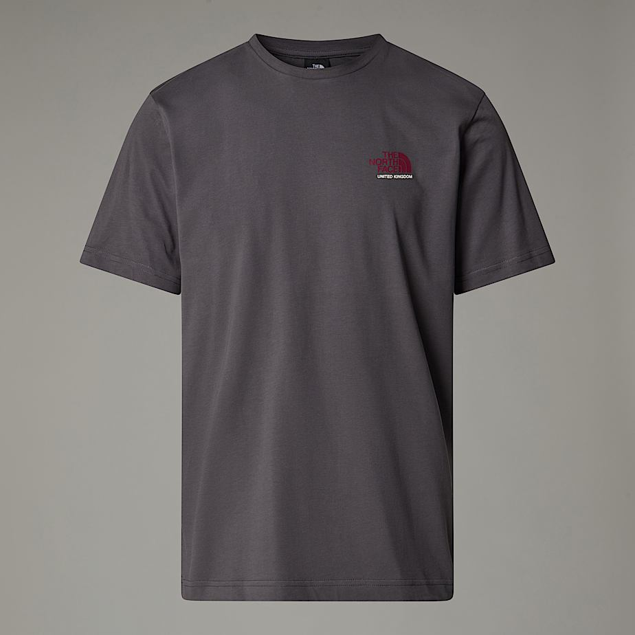
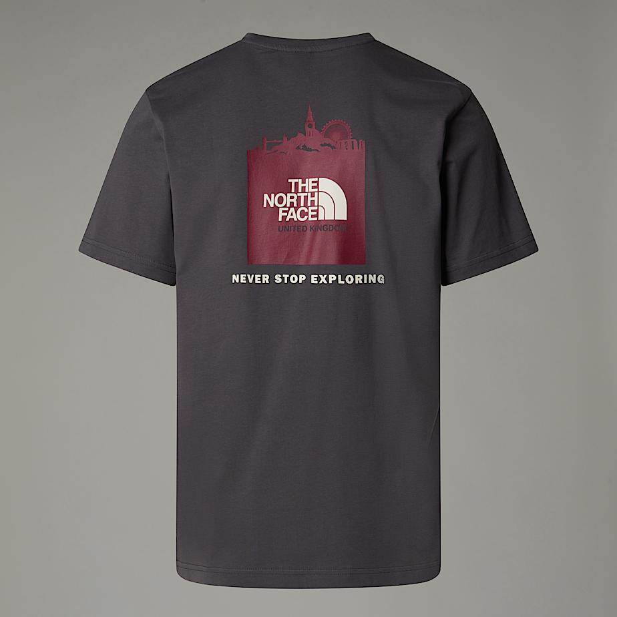

12 | SYTLE NAME:Men’s Redbox Celebration T-Shirt
 | COLOUR | SIZES |  |  |  |  |  |  | ARTICLE NO | RETAIL PRICE | MATERIAL
 | TNF White | XSMALL | SMALL | MEDIUM | LARGE | XLARGE | XXLARGE | TOTAL | NF0A87NV | € 35.00 | Introduced in 2015 to celebrate the re-launch of our iconic Mountain Jacket, the Redbox Celebration T-Shirt has been so popular since then that it's become a permanent part of The North Face® collection. That's not surprising, really; being made from medium-weight 100% cotton, it's the definition of easy-going comfort.
 |  |  | 190 | 380 | 380 | 190 | 190 | 1330

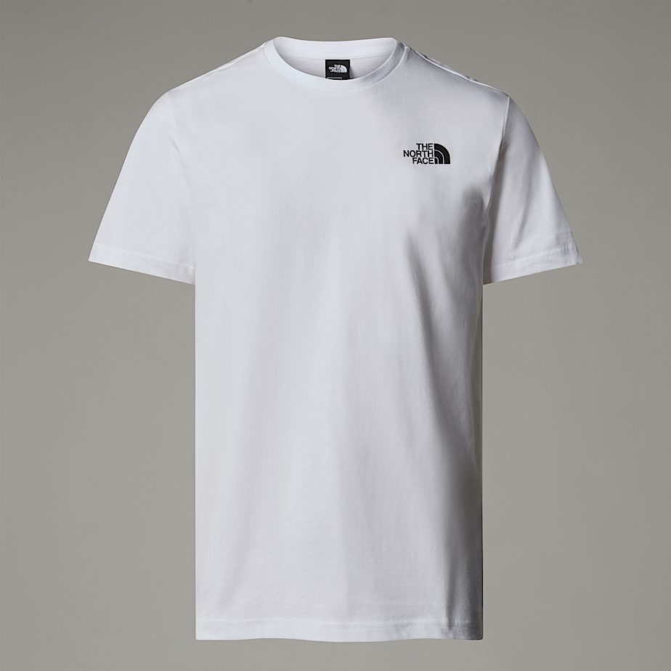
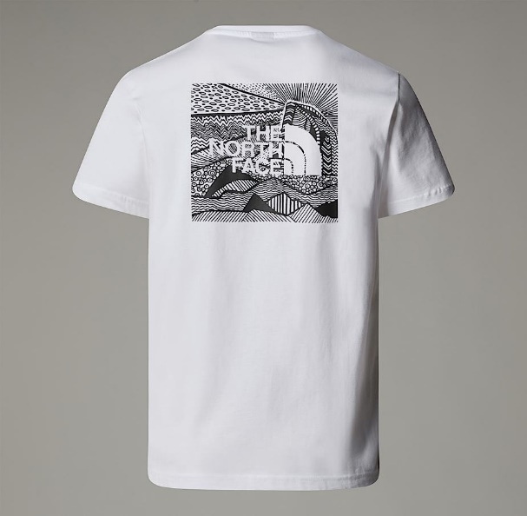

13 | SYTLE NAME:Men’s Redbox Celebration T-Shirt
 | COLOUR | SIZES |  |  |  |  |  |  | ARTICLE NO | RETAIL PRICE | MATERIAL
 | TNF BLACK | XSMALL | SMALL | MEDIUM | LARGE | XLARGE | XXLARGE | TOTAL | NF0A87NV | € 35.00 | Introduced in 2015 to celebrate the re-launch of our iconic Mountain Jacket, the Redbox Celebration T-Shirt has been so popular since then that it's become a permanent part of The North Face® collection. That's not surprising, really; being made from medium-weight 100% cotton, it's the definition of easy-going comfort.
 |  |  | 180 | 360 | 360 | 180 | 180 | 1260

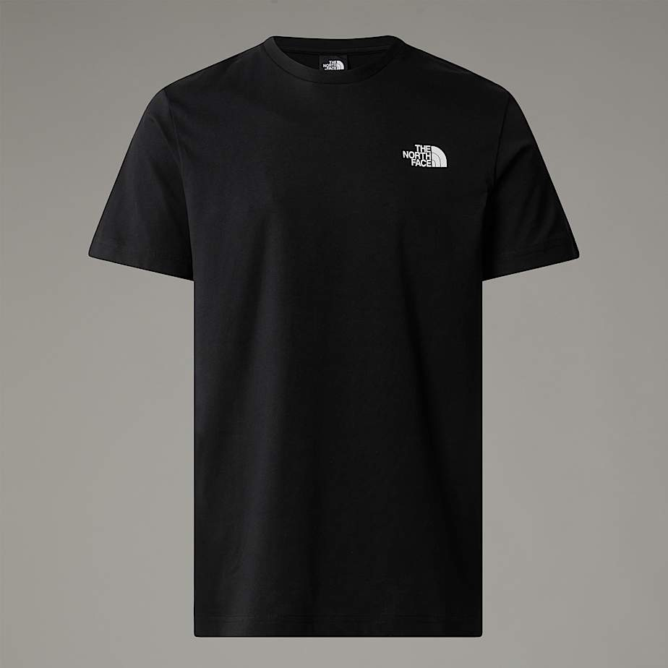
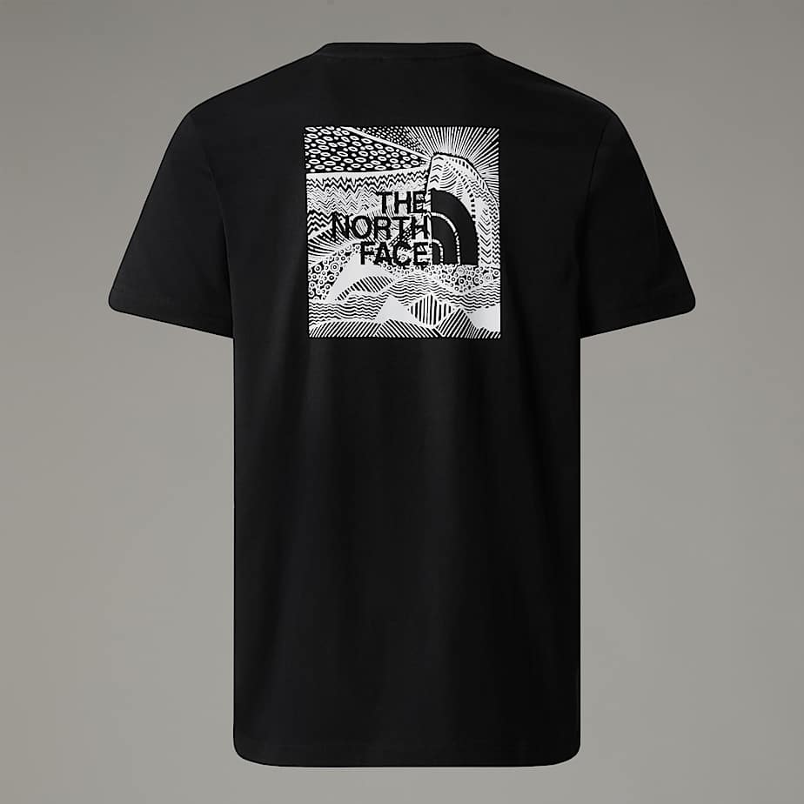

14 | SYTLE NAME:Men’s Redbox Celebration T-Shirt
 | COLOUR | SIZES |  |  |  |  |  |  | ARTICLE NO | RETAIL PRICE | MATERIAL
 | Smoked Pearl | XSMALL | SMALL | MEDIUM | LARGE | XLARGE | XXLARGE | TOTAL | NF0A87NV | € 35.00 | Introduced in 2015 to celebrate the re-launch of our iconic Mountain Jacket, the Redbox Celebration T-Shirt has been so popular since then that it's become a permanent part of The North Face® collection. That's not surprising, really; being made from medium-weight 100% cotton, it's the definition of easy-going comfort.
 |  |  | 190 | 380 | 380 | 190 | 190 | 1330

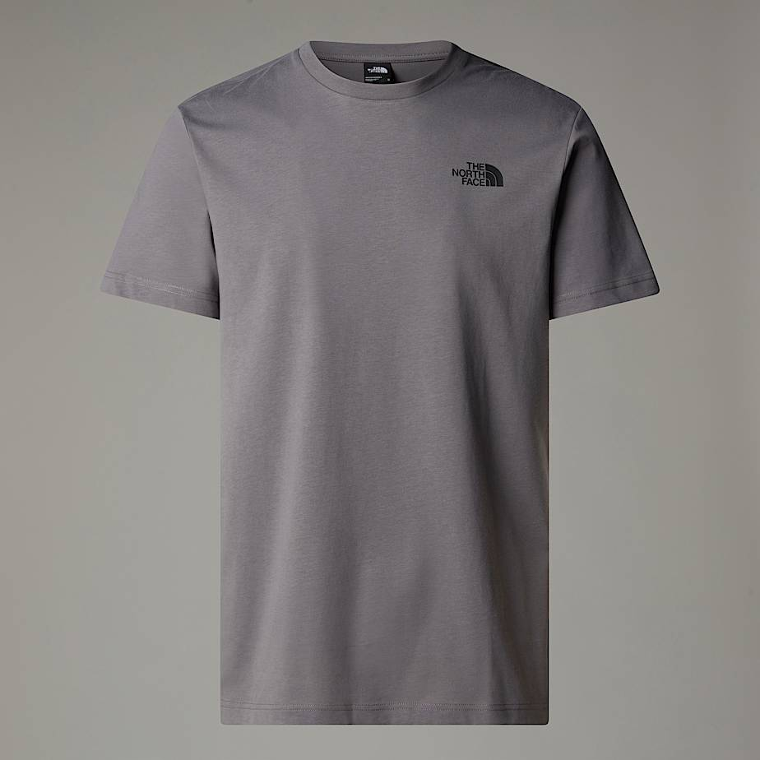
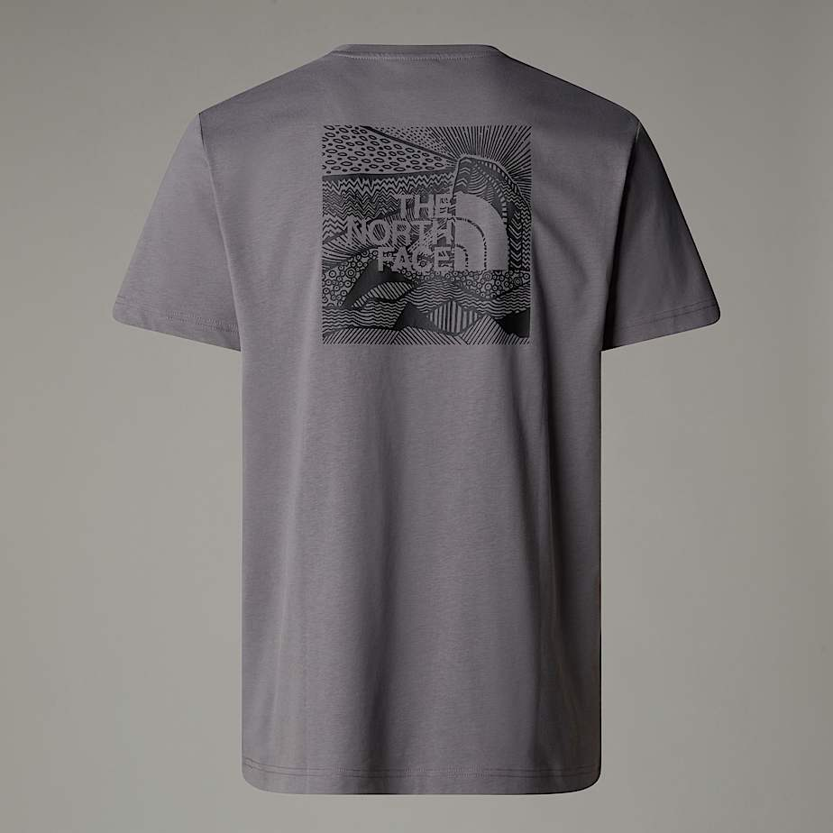

15 | SYTLE NAME:LNY Relaxed T-Shirt
 | COLOUR | SIZES |  |  |  |  |  |  | ARTICLE NO | RETAIL PRICE | MATERIAL
 | TNF Red | XSMALL | SMALL | MEDIUM | LARGE | XLARGE | XXLARGE | TOTAL | NF0A8CFU-682 | € 35.00 | This unisex short-sleeve t-shirt is a relaxed and stylish choice for urban adventures. The rubber graphic on the back is inspired by the Lunar New Year 2025 – the year of the snake.
 |  |  | 180 | 360 | 360 | 180 | 180 | 1260

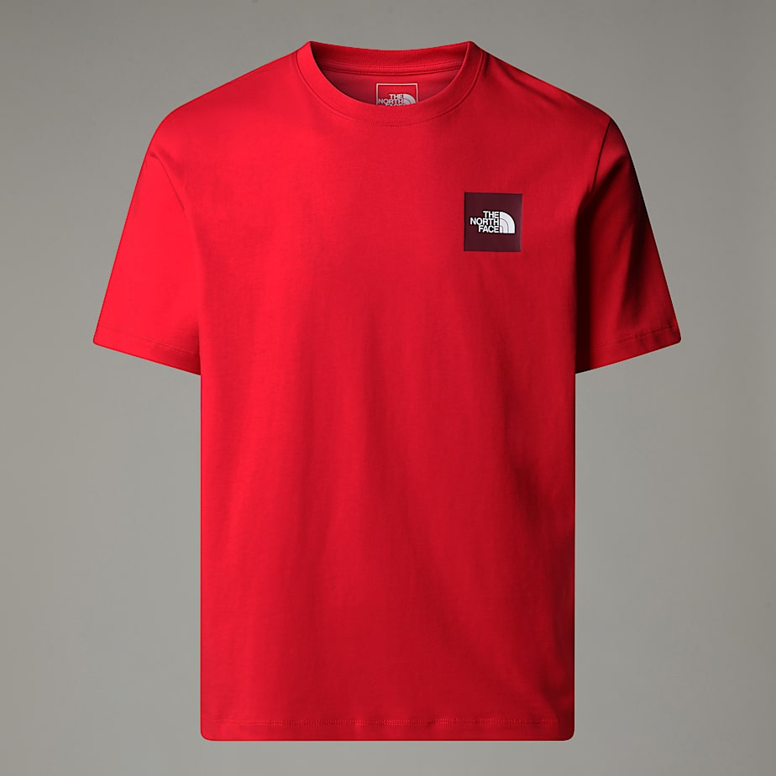
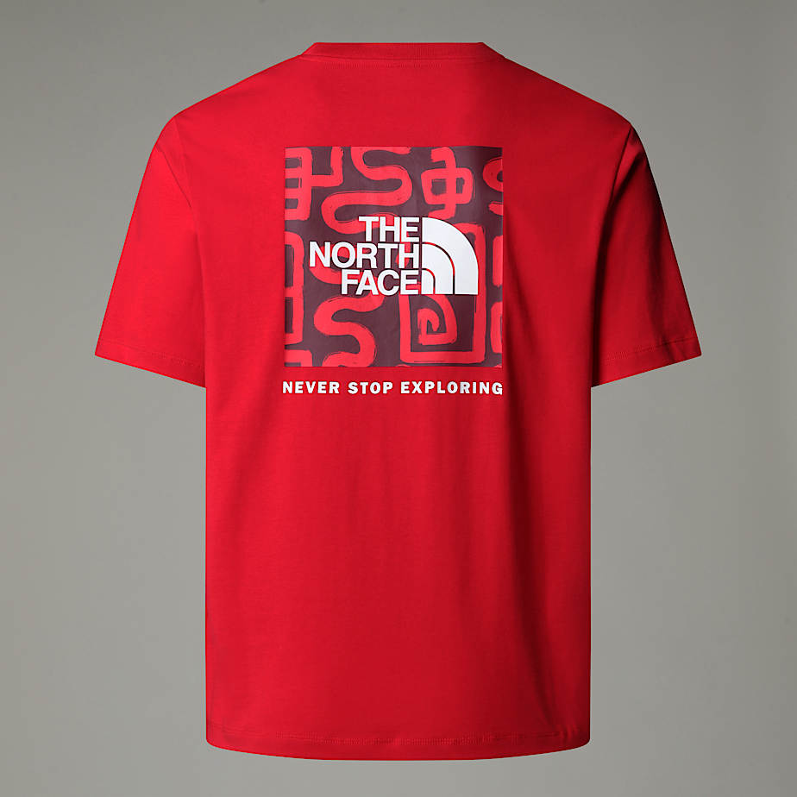

16 | SYTLE NAME:LNY Relaxed T-Shirt
 | COLOUR | SIZES |  |  |  |  |  |  | ARTICLE NO | RETAIL PRICE | MATERIAL
 | TNF BLACK | XSMALL | SMALL | MEDIUM | LARGE | XLARGE | XXLARGE | TOTAL | NF0A8CFU-JK3 | € 35.00 | This unisex short-sleeve t-shirt is a relaxed and stylish choice for urban adventures. The rubber graphic on the back is inspired by the Lunar New Year 2025 – the year of the snake.
 |  |  | 190 | 380 | 380 | 190 | 190 | 1330

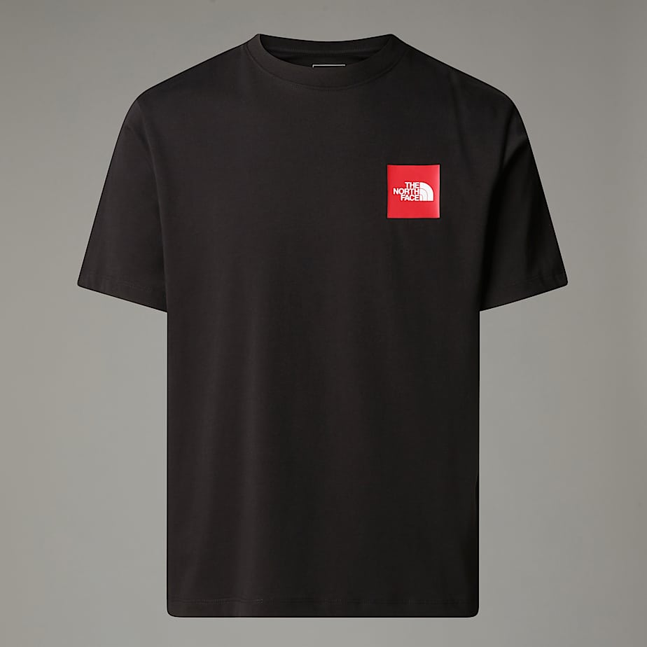
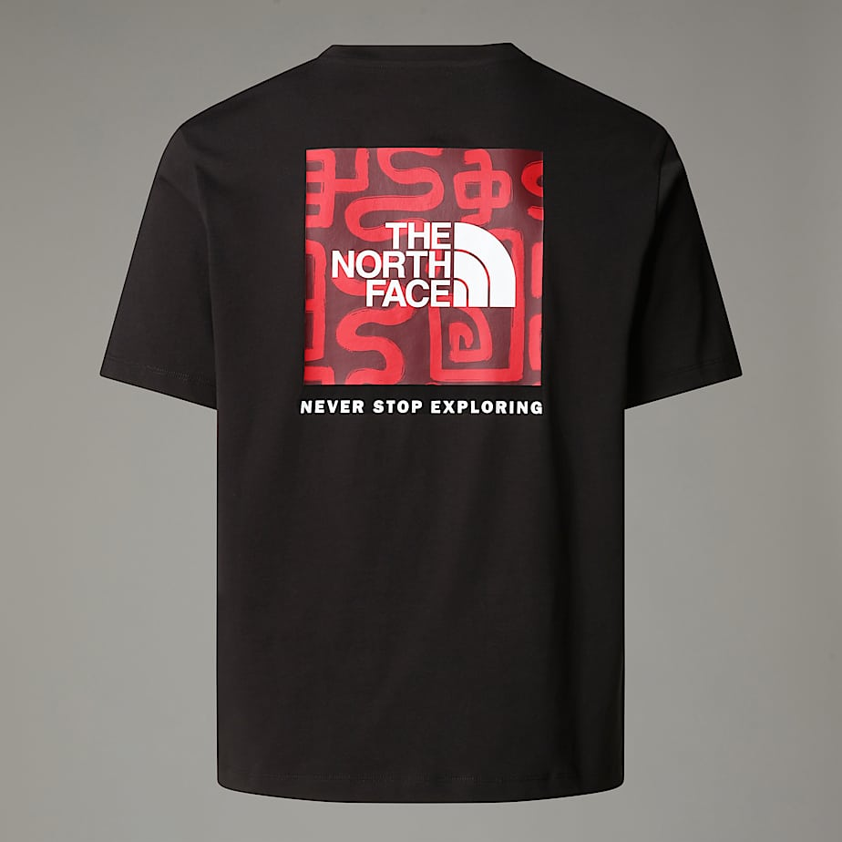

 |  |  |  |  | TOTAL |  |  | 20860

